All boreholes
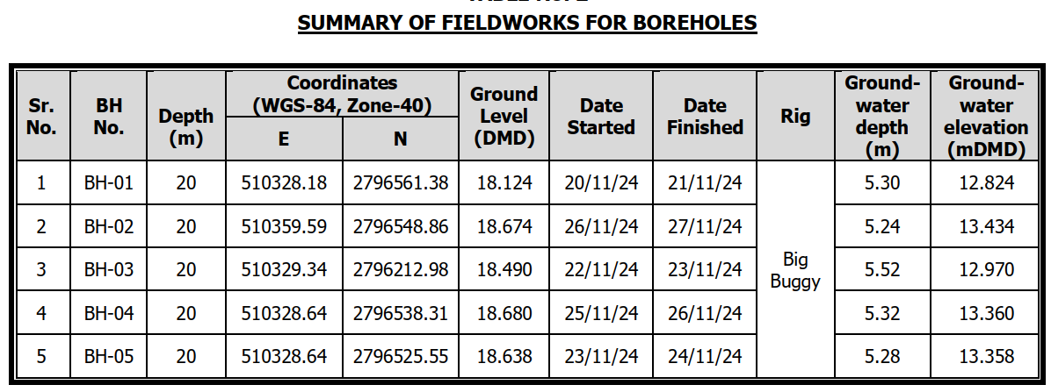
...
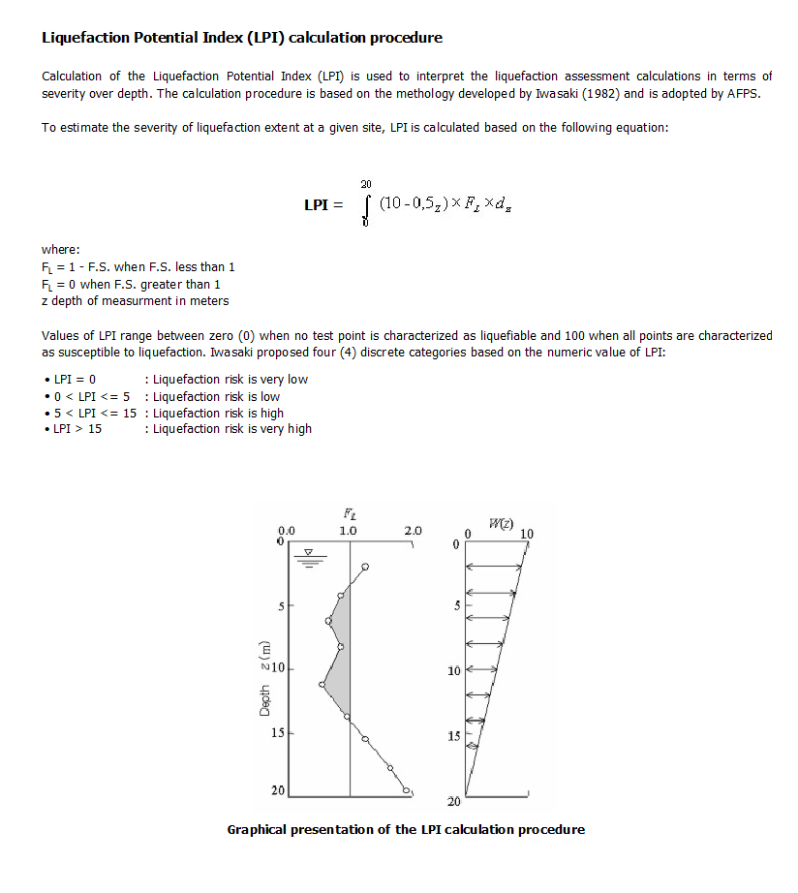
 |  |  | Probability (M6.2)
 | LPI | LPI | F | W(Z) | Thickness | F W(Z) dZ | IL
M8.5 |  |  | =1-FL | = 10-0.5z |  |  | = Σ F W(Z) dZ
...
0.2 | 3.9317399899 | #N/A | 0.654 | 9.69 | 0.62 | 3.932 | #N/A
0.1 | 3.7789771883 |  | 0.801 | 9.44 | 0.50 | 3.779
not applicable | #N/A |  | #N/A | 9.19 | 0.50 | #N/A
0.1 | 3.4419131514 |  | 0.770 | 8.94 | 0.50 | 3.442
 |  |  | 1.000 | 8.69 | 0.50 | 4.345
 |  |  | 1.000 | 8.44 | 0.50 | 4.220
 |  |  | 1.000 | 7.94 | 1.00 | 7.940
 |  |  | 1.000 | 7.44 | 1.00 | 7.440
 |  |  | 1.000 | 6.94 | 1.00 | 6.940
 |  |  | 1.000 | 6.44 | 1.00 | 6.440
 |  |  | 1.000 | 10.00 | -7.12 | -71.200
 |  |  | 1.000 | 10.00
 |  |  | 1.000 | 10.00
 |  |  | 1.000 | 10.00
 |  |  | 1.000 | 10.00
 |  |  | 1.000 | 10.00
 |  |  | 1.000 | 10.00
 |  |  | 1.000 | 10.00
 |  |  | 1.000 | 10.00
 |  |  | 1.000 | 10.00
 |  |  | 1.000 | 10.00
 |  |  | 1.000 | 10.00
 |  |  | 1.000 | 10.00
 |  |  | 1.000 | 10.00
 |  |  | 1.000 | 10.00
 |  |  | 1.000 | 10.00
 |  |  | 1.000 | 10.00
 |  |  | 1.000 | 10.00
 |  |  | 1.000 | 10.00
 |  |  | 1.000 | 10.00
 |  |  | 1.000 | 10.00
 |  |  | 1.000 | 10.00
 |  |  | 1.000 | 10.00
 |  |  | 1.000 | 10.00
 |  |  | 1.000 | 10.00
 |  |  | 1.000 | 10.00
 |  |  | 1.000 | 10.00
 |  |  | 1.000 | 10.00
 |  |  | 1.000 | 10.00
 |  |  | 1.000 | 10.00
 |  |  | 1.000 | 10.00
 |  |  | 1.000 | 10.00
 |  |  | 1.000 | 10.00
 |  |  | 1.000 | 10.00
 |  |  | 1.000 | 10.00
 |  |  | 1.000 | 10.00
 |  |  | 1.000 | 10.00
 |  |  | 1.000 | 10.00
 |  |  | 1.000 | 10.00
 |  |  | 1.000 | 10.00
 |  |  | 1.000 | 10.00
 |  |  | 1.000 | 10.00
 |  |  | 1.000 | 10.00
 |  |  | 1.000 | 10.00
 |  |  | 1.000 | 10.00
 |  |  | 1.000 | 10.00
 |  |  | 1.000 | 10.00
 |  |  | 1.000 | 10.00
 |  |  | 1.000 | 10.00
 |  |  | 1.000 | 10.00
 |  |  | 1.000 | 10.00
 |  |  | 1.000 | 10.00
 |  |  | 1.000 | 10.00
...
 |  |  | 1.000 | 10.00
 |  |  | 1.000 | 10.00
 |  |  | 1.000 | 10.00
 |  |  | 1.000 | 10.00
 |  |  | 1.000 | 10.00
 |  |  | 1.000 | 10.00
 |  |  | 1.000 | 10.00

Liq-Graphs
...
CALC | AN |  | CHKD | SK | APVD | SUBJECT

DATE | 8-Jan-25 |  | DATE | 8-Jan-25 | DATE

NOTE:
PGA = | 1.50 | Earth Gravity Acceleration
Mw = | 6.20 | Moment Magnitude of Earthquake (RICHTER)
 | BH-02 | BH-03 | BH-04 | BH-05 | BH-01
 |  |  |  |  | -0.620
 |  |  |  |  | -1.120
 |  |  |  |  | -1.620
 |  |  |  |  | -2.120
 |  |  |  |  | -2.620
 |  |  |  |  | -3.120
 |  |  |  |  | -4.120
 |  |  |  |  | -5.120
 |  |  |  |  | -6.120
 |  |  |  |  | -7.120
 | SPT N Values
21 | -0.620
12 | -1.120
46 | -1.620
14 | -2.120
22 | -2.620
11 | -3.120
12 | -4.120
8 | -5.120
12 | -6.120
18 | -7.120
 | (N1)60 Values
21.00 | -0.620
12.00 | -1.120
46.00 | -1.620
14.00 | -2.120
22.00 | -2.620
11.00 | -3.120
12.00 | -4.120
8.00 | -5.120
12.00 | -6.120
18.00 | -7.120
 | BH-01 | BH-02 | BH-03 | BH-04 | BH-05
0.896 | -0.620
0.892 | -1.120
0.889 | -1.620
0.885 | -2.120
0.984 | -2.620
1.064 | -3.120
1.185 | -4.120
1.270 | -5.120
1.333 | -6.120
1.379 | -7.120
 | Characteristic Line of FOS=1 |  | Characteristic Line of FOS=1.2 |  | Characteristic Line of FOS=1.5 (DBC 2021) |  | BH-01 |  | BH-02 |  | BH-03 |  | BH-04 |  | BH-05 |  | Average Ground level (mDMD)
1 | 0 | 1.2 | 0 | 1.5 | 0 | 0.35 | -0.620 |  |  |  |  |  |  |  |  | 0 | 0
1 | 20 | 1.2 | 20 | 1.5 | 20 | 0.20 | -1.120 |  |  |  |  |  |  |  |  | 6 | 0
 |  |  |  |  |  | #N/A | -1.620
 |  |  |  |  |  | 0.23 | -2.120
 |  |  |  |  |  |  | -2.620
 |  |  |  |  |  |  | -3.120
 |  |  |  |  |  |  | -4.120
 |  |  |  |  |  |  | -5.120
 |  |  |  |  |  |  | -6.120
 |  |  |  |  |  |  | -7.120

 |  |  |  |  |  |  | Characteristic Line |  | Avg.Ground Elevation
 |  |  |  |  |  |  | x | y | x | y
 |  |  |  |  |  |  | 1 | 0 | 0
 |  |  |  |  |  |  | 1 | 20 | 6

 |  |  |  |  |  |  | 1.2 | 0
 |  |  |  |  |  |  | 1.2 | 20
...

Comparison with LiquefyPro
 | BH-01 Liquefy Pro |  | BH-01 |  | Characteristic Line FOS=1.2
5 | -0.62 | 0.35 | -0.620 | 1.2 | -5
5 | -0.64 | 0.20 | -1.120 | 1.2 | 20
5 | -0.67 | #N/A | -1.620
5 | -0.69 | 0.23 | -2.120
5 | -0.72 |  | -2.620
5 | -0.74 |  | -3.120
5 | -0.77 |  | -4.120
5 | -0.79 |  | -5.120
5 | -0.82 |  | -6.120
5 | -0.84 |  | -7.120
5 | -0.87
5 | -0.89
5 | -0.92
5 | -0.94
5 | -0.97
5 | -0.99
5 | -1.02
5 | -1.04
5 | -1.07
5 | -1.09
5 | -1.12
5 | -1.14
5 | -1.17
5 | -1.19
5 | -1.22
5 | -1.24
5 | -1.27
5 | -1.29
5 | -1.32
5 | -1.34
5 | -1.37
5 | -1.39
5 | -1.42
5 | -1.44
5 | -1.47
5 | -1.49
5 | -1.52
5 | -1.54
5 | -1.57
5 | -1.59
5 | -1.62
5 | -1.64
5 | -1.67
5 | -1.69
5 | -1.72
5 | -1.74
5 | -1.77
5 | -1.79
5 | -1.82
5 | -1.84
...
 | BH-02 Liquefy Pro |  | BH-02 |  | Characteristic Line FOS=1.2
5 | -0.670 |  |  | 1.2 | -5
5 | -0.690 |  |  | 1.2 | 20
5 | -0.720
5 | -0.740
5 | -0.770
5 | -0.790
5 | -0.820
5 | -0.840
5 | -0.870
5 | -0.890
5 | -0.920
5 | -0.940
5 | -0.970
5 | -0.990
5 | -1.020
5 | -1.040
5 | -1.070
5 | -1.090
5 | -1.120
5 | -1.140
5 | -1.170
5 | -1.190
5 | -1.220
5 | -1.240
5 | -1.270
5 | -1.290
5 | -1.320
5 | -1.340
5 | -1.370
5 | -1.390
5 | -1.420
5 | -1.440
5 | -1.470
5 | -1.490
5 | -1.520
5 | -1.540
5 | -1.570
5 | -1.590
5 | -1.620
5 | -1.640
5 | -1.670
5 | -1.690
5 | -1.720
5 | -1.740
5 | -1.770
5 | -1.790
5 | -1.820
5 | -1.840
5 | -1.870
5 | -1.890
...
 | BH-03 Liquefy Pro |  | BH-03 |  | Characteristic Line FOS=1.2
5 | -0.590 |  |  | 1.2 | -5
5 | -0.610 |  |  | 1.2 | 20
5 | -0.640
5 | -0.660
5 | -0.690
5 | -0.710
5 | -0.740
5 | -0.760
5 | -0.790
5 | -0.810
5 | -0.840
5 | -0.860
5 | -0.890
5 | -0.910
5 | -0.940
5 | -0.960
5 | -0.990
5 | -1.010
5 | -1.040
5 | -1.060
5 | -1.090
5 | -1.110
5 | -1.140
5 | -1.160
5 | -1.190
5 | -1.210
5 | -1.240
5 | -1.260
5 | -1.290
5 | -1.310
5 | -1.340
5 | -1.360
5 | -1.390
5 | -1.410
5 | -1.440
5 | -1.460
5 | -1.490
5 | -1.510
5 | -1.540
5 | -1.560
5 | -1.590
5 | -1.610
5 | -1.640
5 | -1.660
5 | -1.690
5 | -1.710
5 | -1.740
5 | -1.760
5 | -1.790
5 | -1.810
...
 | BH-04 Liquefy Pro |  | BH-04 |  | Characteristic Line FOS=1.2
5 | -0.580 |  |  | 1.2 | -5
5 | -0.600 |  |  | 1.2 | 20
5 | -0.630
5 | -0.650
5 | -0.680
5 | -0.700
5 | -0.730
5 | -0.750
5 | -0.780
5 | -0.800
5 | -0.830
5 | -0.850
5 | -0.880
5 | -0.900
5 | -0.930
5 | -0.950
5 | -0.980
5 | -1.000
5 | -1.030
5 | -1.050
5 | -1.080
5 | -1.100
5 | -1.130
5 | -1.150
5 | -1.180
5 | -1.200
5 | -1.230
5 | -1.250
5 | -1.280
5 | -1.300
5 | -1.330
5 | -1.350
5 | -1.380
5 | -1.400
5 | -1.430
5 | -1.450
5 | -1.480
5 | -1.500
5 | -1.530
5 | -1.550
5 | -1.580
5 | -1.600
5 | -1.630
5 | -1.650
5 | -1.680
5 | -1.700
5 | -1.730
5 | -1.750
5 | -1.780
5 | -1.800
...
 | BH-05 Liquefy Pro |  | BH-05 |  | Characteristic Line FOS=1.2
5 | -0.500 |  |  | 1.2 | -5
5 | -0.520 |  |  | 1.2 | 20
5 | -0.550
5 | -0.570
5 | -0.600
5 | -0.620
5 | -0.650
5 | -0.670
5 | -0.700
5 | -0.720
5 | -0.750
5 | -0.770
5 | -0.800
5 | -0.820
5 | -0.850
5 | -0.870
5 | -0.900
5 | -0.920
5 | -0.950
5 | -0.970
5 | -1.000
5 | -1.020
5 | -1.050
5 | -1.070
5 | -1.100
5 | -1.120
5 | -1.150
5 | -1.170
5 | -1.200
5 | -1.220
5 | -1.250
5 | -1.270
5 | -1.300
5 | -1.320
5 | -1.350
5 | -1.370
5 | -1.400
5 | -1.420
5 | -1.450
5 | -1.470
5 | -1.500
5 | -1.520
5 | -1.550
5 | -1.570
5 | -1.600
5 | -1.620
5 | -1.650
5 | -1.670
5 | -1.700
5 | -1.720
...
 |  |  | Ground Lvl |  |  |  |  |  |  | Ground Lvl |  |  |  |  |  |  | Ground Lvl |  |  |  |  |  |  | Ground Lvl |  |  |  |  |  |  | Ground Lvl |  |  |  | BH no. | Ground Elevation (mDMD)
BH-01 Liquefy Pro Results |  |  |  |  |  |  | BH-02 Liquefy Pro Results |  |  |  |  |  |  | BH-03 Liquefy Pro Results |  |  |  |  |  |  | BH-04 Liquefy Pro Results |  |  |  |  |  |  | BH-05 Liquefy Pro Results |  |  |  |  |  |  | BH-01
Depth(m) | Elevation(mDMD) | CRRm | CSRfs | F.S. |  |  | Depth(m) | Elevation(mDMD) | CRRm | CSRfs | F.S. |  |  | Depth(m) | Elevation(mDMD) | CRRm | CSRfs | F.S. |  |  | Depth | Elevation(mDMD) | CRRm | CSRfs | F.S. |  |  | Depth | Elevation(mDMD) | CRRm | CSRfs | F.S. |  |  | BH-02
0.62 | -0.62 | 0.53 | 0.15 | 5 |  |  | 0.67 | -0.670 | 0.39 | 0.15 | 5 |  |  | 0.59 | -0.590 | 0.37 | 0.15 | 5 |  |  | 0.58 | -0.580 | 0.36 | 0.15 | 5 |  |  | 0.5 | -0.500 | 0.45 | 0.15 | 5 |  |  | BH-03
0.64 | -0.64 | 0.52 | 0.15 | 5 |  |  | 0.69 | -0.690 | 0.39 | 0.15 | 5 |  |  | 0.61 | -0.610 | 0.37 | 0.15 | 5 |  |  | 0.6 | -0.600 | 0.35 | 0.15 | 5 |  |  | 0.52 | -0.520 | 0.44 | 0.15 | 5 |  |  | BH-04
0.67 | -0.67 | 0.5 | 0.15 | 5 |  |  | 0.72 | -0.720 | 0.38 | 0.15 | 5 |  |  | 0.64 | -0.640 | 0.36 | 0.15 | 5 |  |  | 0.63 | -0.630 | 0.35 | 0.15 | 5 |  |  | 0.55 | -0.550 | 0.44 | 0.15 | 5 |  |  | BH-05
0.69 | -0.69 | 0.48 | 0.15 | 5 |  |  | 0.74 | -0.740 | 0.38 | 0.15 | 5 |  |  | 0.66 | -0.660 | 0.36 | 0.15 | 5 |  |  | 0.65 | -0.650 | 0.34 | 0.15 | 5 |  |  | 0.57 | -0.570 | 0.43 | 0.15 | 5
0.72 | -0.72 | 0.46 | 0.15 | 5 |  |  | 0.77 | -0.770 | 0.37 | 0.15 | 5 |  |  | 0.69 | -0.690 | 0.36 | 0.15 | 5 |  |  | 0.68 | -0.680 | 0.33 | 0.15 | 5 |  |  | 0.6 | -0.600 | 0.42 | 0.15 | 5
0.74 | -0.74 | 0.45 | 0.15 | 5 |  |  | 0.79 | -0.790 | 0.37 | 0.15 | 5 |  |  | 0.71 | -0.710 | 0.35 | 0.15 | 5 |  |  | 0.7 | -0.700 | 0.33 | 0.15 | 5 |  |  | 0.62 | -0.620 | 0.42 | 0.15 | 5
0.77 | -0.77 | 0.44 | 0.15 | 5 |  |  | 0.82 | -0.820 | 0.37 | 0.15 | 5 |  |  | 0.74 | -0.740 | 0.35 | 0.15 | 5 |  |  | 0.73 | -0.730 | 0.32 | 0.15 | 5 |  |  | 0.65 | -0.650 | 0.41 | 0.15 | 5
0.79 | -0.79 | 0.42 | 0.15 | 5 |  |  | 0.84 | -0.840 | 0.36 | 0.15 | 5 |  |  | 0.76 | -0.760 | 0.34 | 0.15 | 5 |  |  | 0.75 | -0.750 | 0.31 | 0.15 | 5 |  |  | 0.67 | -0.670 | 0.4 | 0.15 | 5
0.82 | -0.82 | 0.41 | 0.15 | 5 |  |  | 0.87 | -0.870 | 0.36 | 0.15 | 5 |  |  | 0.79 | -0.790 | 0.34 | 0.15 | 5 |  |  | 0.78 | -0.780 | 0.31 | 0.15 | 5 |  |  | 0.7 | -0.700 | 0.4 | 0.15 | 5
0.84 | -0.84 | 0.4 | 0.15 | 5 |  |  | 0.89 | -0.890 | 0.35 | 0.15 | 5 |  |  | 0.81 | -0.810 | 0.34 | 0.15 | 5 |  |  | 0.8 | -0.800 | 0.3 | 0.15 | 5 |  |  | 0.72 | -0.720 | 0.39 | 0.15 | 5
0.87 | -0.87 | 0.38 | 0.15 | 5 |  |  | 0.92 | -0.920 | 0.35 | 0.15 | 5 |  |  | 0.84 | -0.840 | 0.33 | 0.15 | 5 |  |  | 0.83 | -0.830 | 0.29 | 0.15 | 5 |  |  | 0.75 | -0.750 | 0.39 | 0.15 | 5
0.89 | -0.89 | 0.37 | 0.15 | 5 |  |  | 0.94 | -0.940 | 0.34 | 0.15 | 5 |  |  | 0.86 | -0.860 | 0.33 | 0.15 | 5 |  |  | 0.85 | -0.850 | 0.29 | 0.15 | 5 |  |  | 0.77 | -0.770 | 0.38 | 0.15 | 5
0.92 | -0.92 | 0.36 | 0.15 | 5 |  |  | 0.97 | -0.970 | 0.34 | 0.15 | 5 |  |  | 0.89 | -0.890 | 0.33 | 0.15 | 5 |  |  | 0.88 | -0.880 | 0.28 | 0.15 | 5 |  |  | 0.8 | -0.800 | 0.38 | 0.15 | 5
0.94 | -0.94 | 0.35 | 0.15 | 5 |  |  | 0.99 | -0.990 | 0.33 | 0.15 | 5 |  |  | 0.91 | -0.910 | 0.32 | 0.15 | 5 |  |  | 0.9 | -0.900 | 0.27 | 0.15 | 5 |  |  | 0.82 | -0.820 | 0.37 | 0.15 | 5
0.97 | -0.97 | 0.34 | 0.15 | 5 |  |  | 1.02 | -1.020 | 0.33 | 0.15 | 5 |  |  | 0.94 | -0.940 | 0.32 | 0.15 | 5 |  |  | 0.93 | -0.930 | 0.27 | 0.15 | 5 |  |  | 0.85 | -0.850 | 0.37 | 0.15 | 5
0.99 | -0.99 | 0.33 | 0.15 | 5 |  |  | 1.04 | -1.040 | 0.32 | 0.15 | 5 |  |  | 0.96 | -0.960 | 0.32 | 0.15 | 5 | Characterstic Line |  | 0.95 | -0.950 | 0.26 | 0.15 | 5 | Characterstic Line |  | 0.87 | -0.870 | 0.36 | 0.15 | 5 | Characterstic Line
1.02 | -1.02 | 0.32 | 0.15 | 5 | Characterstic Line |  | 1.07 | -1.070 | 0.32 | 0.15 | 5 | Characterstic Line |  | 0.99 | -0.990 | 0.31 | 0.15 | 5 | x | y | 0.98 | -0.980 | 0.25 | 0.15 | 5 | x | y | 0.9 | -0.900 | 0.36 | 0.15 | 5 | x | y
1.04 | -1.04 | 0.31 | 0.15 | 5 | x | y | 1.09 | -1.090 | 0.32 | 0.15 | 5 | x | y | 1.01 | -1.010 | 0.31 | 0.15 | 5 | 1.2 | -5 | 1 | -1.000 | 0.25 | 0.15 | 5 | 1.2 | -5 | 0.92 | -0.920 | 0.35 | 0.15 | 5 | 1.2 | -5
1.07 | -1.07 | 0.3 | 0.15 | 5 | 1.2 | -5 | 1.12 | -1.120 | 0.33 | 0.15 | 5 | 1.2 | -5 | 1.04 | -1.040 | 0.31 | 0.15 | 5 | 1.2 | 20 | 1.03 | -1.030 | 0.24 | 0.15 | 5 | 1.2 | 20 | 0.95 | -0.950 | 0.35 | 0.15 | 5 | 1.2 | 20
1.09 | -1.09 | 0.29 | 0.15 | 5 | 1.2 | 20 | 1.14 | -1.140 | 0.34 | 0.15 | 5 | 1.2 | 20 | 1.06 | -1.060 | 0.3 | 0.15 | 5 |  |  | 1.05 | -1.050 | 0.23 | 0.15 | 5 |  |  | 0.97 | -0.970 | 0.34 | 0.15 | 5
1.12 | -1.12 | 0.28 | 0.15 | 5 |  |  | 1.17 | -1.170 | 0.34 | 0.15 | 5 |  |  | 1.09 | -1.090 | 0.3 | 0.15 | 5 |  |  | 1.08 | -1.080 | 0.23 | 0.15 | 5 |  |  | 1 | -1.000 | 0.34 | 0.15 | 5
1.14 | -1.14 | 0.31 | 0.15 | 5 |  |  | 1.19 | -1.190 | 0.35 | 0.15 | 5 |  |  | 1.11 | -1.110 | 0.31 | 0.15 | 5 |  |  | 1.1 | -1.100 | 0.22 | 0.15 | 5 |  |  | 1.02 | -1.020 | 0.33 | 0.15 | 5
1.17 | -1.17 | 0.35 | 0.15 | 5 |  |  | 1.22 | -1.220 | 0.35 | 0.15 | 5 |  |  | 1.14 | -1.140 | 0.32 | 0.15 | 5 |  |  | 1.13 | -1.130 | 0.22 | 0.15 | 5 |  |  | 1.05 | -1.050 | 0.33 | 0.15 | 5
1.19 | -1.19 | 0.39 | 0.15 | 5 |  |  | 1.24 | -1.240 | 0.36 | 0.15 | 5 |  |  | 1.16 | -1.160 | 0.33 | 0.15 | 5 |  |  | 1.15 | -1.150 | 0.21 | 0.15 | 5 |  |  | 1.07 | -1.070 | 0.32 | 0.15 | 5
...

